EB2018
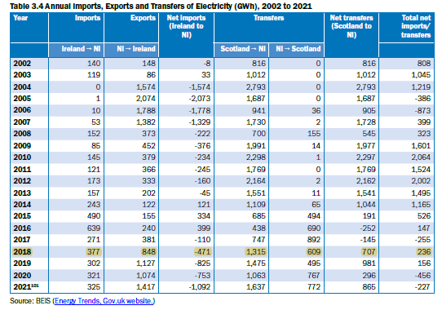
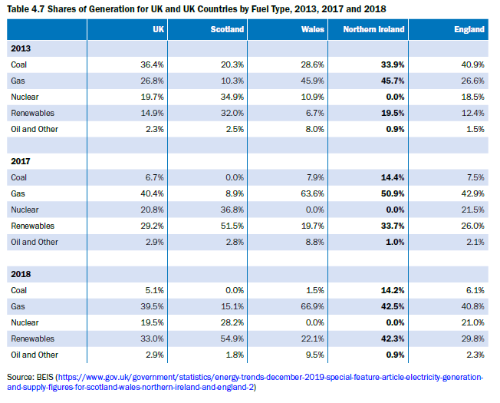
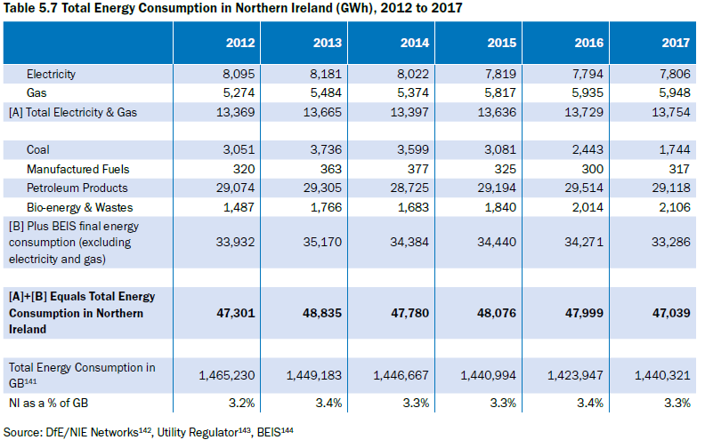
 |  |  |  |  |  |  |  |  |  |  |  |  |  |  |  |  |  | Default Units | Currency | Activity | Emissions
 |  |  | COA | GAS | OIL | PEAT | GSL | RNW | HYD | WIND | SOL | BIO | BGS-LG | BGS-SG | HET | ELC |  |  | M£2018 | PJ | kt
 |  |  | Solid Fuels | Natural Gas | Crude Oil | SOD PEAT | Gasoline | Renewable Energies | Hydro | Wind | Solar | Biomass | Landfill Gas | Sewage Gas | Derived Heat | Electricity | Total
 |  | PRIMARY
 | MIN | Domestic Supply | 1330 | 3980 | 94 |  |  | 3946 | 30 | 2979 | 303 | 554 | 80 | 1 |  | 9366 | 22662
 | IMP | Imports |  |  |  |  |  |  |  |  |  |  |  |  |  | 707 | 707
 | EXP | Exports |  |  |  |  |  |  |  |  |  |  |  |  |  | -471 | -471
 | SC | Stock Changes |  |  |  |  |  |  |  |  |  |  |  |  |  |  | 0
 | TPS | Total Primary Supply | 1330 | 3980 | 94 | 0 | 0 | 3946 |  |  |  |  |  |  |  | 9602 | 22898
 |  | TRANSFORMATIONS
 | GPP | Gas Processing Plants |  |  |  | 0 | 0 |  |  |  |  |  |  |  |  |  | 0
 | REF | Petroleum Refineries |  |  |  |  |  |  |  |  |  |  |  |  |  |  | 0
 | ELC | Electric Power Stations |  |  |  |  |  |  |  |  |  |  |  |  |  |  | 0
 | ET | Energy Transformed (f+g+h) | 0 | 0 | 0 | 0 | 0 | 0 |  |  |  |  |  |  |  | 0 | 0
 |  | DIVERSION
 | TDL | Transport & Distribution Losses |  |  |  |  |  |  |  |  |  |  |  |  |  | -673 | -673
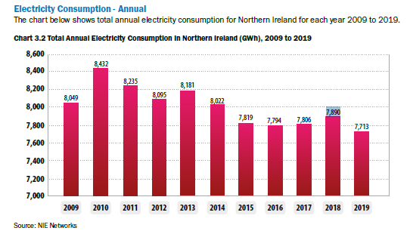
 | CES | Auxiliary Consumption of Energy Sector |  |  |  |  |  |  |  |  |  |  |  |  |  |  | 0
 | CNES | Consumption for Non-Energy Uses |  |  |  |  |  |  |  |  |  |  |  |  |  |  | 0
 | ELCP | Spare By-product Electricity from PASMIC
 | OP | Own Pumping |  |  |  |  |  |  |  |  |  |  |  |  |  | -294 | -294
 | FEU | Final Energy Use (e+j+k+l+m+n+o) | 1330 | 3980 | 94 |  |  |  |  |  |  |  |  |  |  | 8635 | 21931
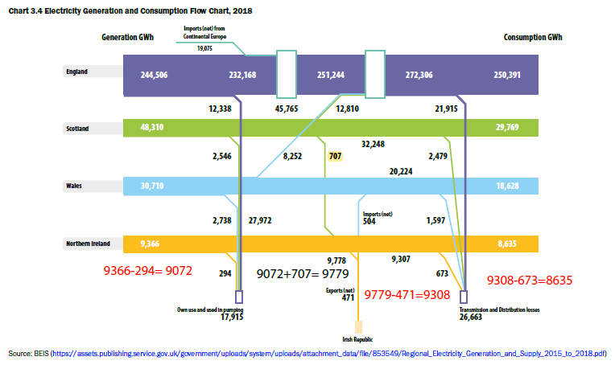
 |  | FINAL
 | RSD | Residential | 458 | 2735 |  | 341 | 7458 | 1811 |  |  |  |  |  |  |  | 2899 | 15702
 | COM | Commercial |  |  |  |  | 222 |  |  |  |  |  |  |  |  |  | 222
 | IND | Industry | 1830 | 3538 |  | 35 | 6843 | 4114 |  |  |  |  |  |  |  | 4708 | 21068
 | AGR | Agriculture |  |  |  |  | 1868 |  |  |  |  |  |  |  |  |  | 1868
 | TRA | Transport |  |  |  |  | 13425 | 479 |  |  |  |  |  |  |  |  | 13904
 | OTH | Other |  |  |  |  |  |  |  |  |  |  |  |  |  |  | 0
 | NEN | Non Energy |  |  |  |  |  |  |  |  |  |  |  |  |  |  | 0
 | BNK | Bunkers |  | 0 |  |  |  |  |  |  |  |  |  |  |  |  | 0
 | TFC | Total Final Consumption | 2288 | 6273 | 0 | 376 | 29816 | 6404 |  |  |  |  |  |  | 0 | 7607 | 52764

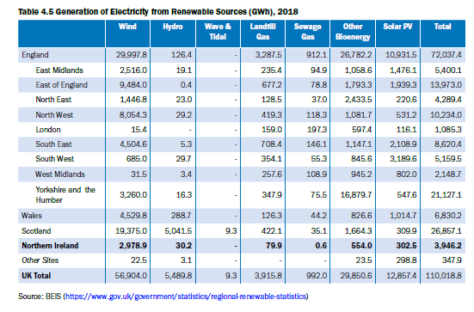

 |  | CO2 | Nox | VOC
 | Emission by sector | Carbon dioxide | NOX | VOC
 | ELC | 1

1 | BEIS (https://www.gov.uk/government/statistics/electricity-section-5-energy-trends)
 | Table 3.3 Annual Imports, Exports and Transfers of Electricity (GWh), 2002 to 2019
2 | BEIS (https://assets.publishing.service.gov.uk/government/uploads/system/uploads/attachment_data/file/853549/Regional_Electricity_Generation_and_Supply_2015_to_2018.pdf)
 | Chart 3.4 Electricity Generation and Consumption Flow Chart, 2018
3 | BEIS (https://www.gov.uk/government/statistics/regional-renewable-statistics)
 | Table 4.5 Generation of Electricity from Renewable Sources (GWh), 2018
4 | BEIS (https://www.gov.uk/government/statistics/energy-trends-december-2019-special-feature-article-electricity-generationand-supply-figures-for-scotland-wales-northern-ireland-and-england-2)
 | Table 4.7 Shares of Generation for UK and UK Countries by Fuel Type, 2013, 2017 and 2018
5 | BEIS (https://www.gov.uk/government/statistical-data-sets/total-final-energy-consumption-at-regional-and-local-authority-level)
 | Energy in Northern Ireland 2020 Table 5.1 Northern Ireland Final Energy Consumption Excluding Electricity and Gas (GWh), 2005-2017
6 | DfE/NIE Networks142, Utility Regulator143, BEIS144
 | Table 5.7 Total Energy Consumption in Northern Ireland (GWh), 2012 to 2017

Interconnector
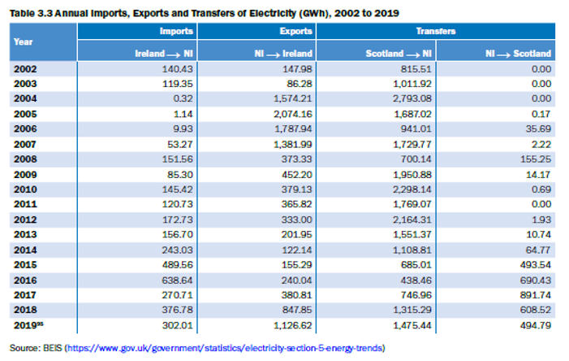
Electricity Interconnector |  |  |  |  | ~FI_T
Region | TechName | TechDesc | Comm-IN | Comm-OUT | Year | CAP2ACT | EFF | PEAK | NCAP_FOM | STOCK | STOCK~2070 | NCAP_AF~FX~2018 | NCAP_AF~FX~0 | NCAP_TLIFE |  | COST~2018 | COST~2020 | COST~2025 | COST~2030 | COST~2035 | COST~2040 | COST~2045 | COST~2050 | NCAP_BND | NCAP_BND~0
*Region Name | *Technology Name | Technology Description |  |  |  |  | Efficiency |  | Fixed costs |  |  |  |  |  |  | Euro/GJ | Euro/GJ | Euro/GJ | Euro/GJ | Euro/GJ | Euro/GJ | Euro/GJ | Euro/GJ
 | IMPELC_Ireland | Import of Electricity - Ireland Interconnector |  | ELC | 2018 | 31.536 | 1 | 0.25 | 5.1 | 400 | 400 | 0.10425 | 5 | 100 |  | 12.8 | 14.1 | 15.5 | 17.0 | 18.7 | 20.6 | 22.7 | 24.9 | 0 | 2 | 1315
 | IMPELC_Scotland | Import of Electricity - UK Interconnector |  | ELC | 2018 | 31.536 | 1 | 0.25 | 1.3 | 500 | 500 | 0.038622526636 | 5 | 100 |  | 8.9 | 9.8 | 10.8 | 11.8 | 13.0 | 14.3 | 15.8 | 17.3 | 0 | 2 | 609
 | EXPELC_Ireland | Export of Electricity - Ireland Interconnector | ELC |  | 2018 | 31.536 | 1 | 0.25 | 12.8 | 400 | 400 | 0.029886478945 | 5 | 100 |  | 5.1 | 5.6 | 6.2 | 6.8 | 7.5 | 8.2 | 9.0 | 9.9 | 0 | 2 | 377
 | EXPELC_Scotland | Export of Electricity - UK Interconnector | ELC |  | 2018 | 31.536 | 1 | 0.5 | 8.9 | 500 | 500 | 0.053779807204 | 5 | 100 |  | 1.3 | 1.4 | 1.6 | 1.7 | 1.9 | 2.1 | 2.3 | 2.5 | 0 | 2 | 848

Existing electricity interconnection - Ireland
TechName | TechDesc | Comm-IN | Comm-OUT | END | CAP2ACT | EFF | PEAK | NCAP_FOM | STOCK | STOCK~2060 | NCAP_AF~FX~WN~2015 | NCAP_AF~FX~WD~2015 | NCAP_AF~FX~WP~2015 | NCAP_AF~FX~WE~2015 | NCAP_AF~FX~PN~2015 | NCAP_AF~FX~PD~2015 | NCAP_AF~FX~PP~2015 | NCAP_AF~FX~PE~2015 | NCAP_AF~FX~SN~2015 | NCAP_AF~FX~SD~2015 | NCAP_AF~FX~SP~2015 | NCAP_AF~FX~SE~2015 | NCAP_AF~FX~AN~2015 | NCAP_AF~FX~AD~2015 | NCAP_AF~FX~AP~2015 | NCAP_AF~FX~AE~2015 | NCAP_AF~FX~WN~0 | NCAP_AF~FX~WD~0 | NCAP_AF~FX~WP~0 | NCAP_AF~FX~WE~0 | NCAP_AF~FX~PN~0 | NCAP_AF~FX~PD~0 | NCAP_AF~FX~PP~0 | NCAP_AF~FX~PE~0 | NCAP_AF~FX~SN~0 | NCAP_AF~FX~SD~0 | NCAP_AF~FX~SP~0 | NCAP_AF~FX~SE~0 | NCAP_AF~FX~AN~0 | NCAP_AF~FX~AD~0 | NCAP_AF~FX~AP~0 | NCAP_AF~FX~AE~0
*Technology Name | Technology Description | Input Commodity | Output Commodity | Last year available for build | Units of activity/unit of capacity | Efficiency | Peak Contribution - Ireland | Fixed costs | Existing Capacity - Ireland | Existing Capacity - Ireland - 2060 | Fixed Availability Factor from 2015 | Fixed Availability Factor from 2015 | Fixed Availability Factor from 2015 | Fixed Availability Factor from 2015 | Fixed Availability Factor from 2015 | Fixed Availability Factor from 2015 | Fixed Availability Factor from 2015 | Fixed Availability Factor from 2015 | Fixed Availability Factor from 2015 | Fixed Availability Factor from 2015 | Fixed Availability Factor from 2015 | Fixed Availability Factor from 2015 | Fixed Availability Factor from 2015 | Fixed Availability Factor from 2015 | Fixed Availability Factor from 2015 | Fixed Availability Factor from 2015 | Fixed AF interpolation rule | Fixed AF interpolation rule | Fixed AF interpolation rule | Fixed AF interpolation rule | Fixed AF interpolation rule | Fixed AF interpolation rule | Fixed AF interpolation rule | Fixed AF interpolation rule | Fixed AF interpolation rule | Fixed AF interpolation rule | Fixed AF interpolation rule | Fixed AF interpolation rule | Fixed AF interpolation rule | Fixed AF interpolation rule | Fixed AF interpolation rule | Fixed AF interpolation rule
*Unit |  |  |  | year | activity unit / capacity unit | % |  | m£/GW | GW | GW | fraction | fraction | fraction | fraction | fraction | fraction | fraction | fraction | fraction | fraction | fraction | fraction | fraction | fraction | fraction | fraction
ELCII00 | ELC.INTERCONNECTION: .00.IMPORT.IRELAND. | ELC-I-IRE | ELCGEN | 2010 | 31.536 | 1 | 0 | 0 | 0.75 | 0.75 | 0.46151609486 | 0 | 0 | 0 | 0.46151609486 | 0 | 0 | 0 | 0.46151609486 | 0 | 0 | 0 | 0.46151609486 | 0 | 0 | 0 | 5 | 5 | 5 | 5 | 5 | 5 | 5 | 5 | 5 | 5 | 5 | 5 | 5 | 5 | 5 | 5
ELCEI00 | ELC.INTERCONNECTION: .00.EXPORT.IRELAND. | ELCGEN | ELC-E-IRE | 2010 | 31.536 | 1 | 0.25391003509 | 3.2 | 0.75 | 0.75 | 0 | 0.25559788295 | 0.37861101245 | 0.072113023333 | 0 | 0.25559788295 | 0.37861101245 | 0.072113023333 | 0 | 0.25559788295 | 0.37861101245 | 0.072113023333 | 0 | 0.25559788295 | 0.37861101245 | 0.072113023333 | 5 | 5 | 5 | 5 | 5 | 5 | 5 | 5 | 5 | 5 | 5 | 5 | 5 | 5 | 5 | 5
 |  |  |  |  |  |  |  |  |  |  |  |  |  |  |  |  |  |  |  |  |  |  |  |  |  |  | *Interpolation rule 5 - Interpolation and forward extrapolation. This means that each AF will be applied for every year after that specified and not at all beforehand

